1. Title Page
[Instacart Grocery Basket Analysis ]

Project Name: Instacart Grocery Basket Analysis
Date: October 23, 2023
Analyst Name: Azadeh Eshaghi

Contents:
Population Flow
Consistency checks
Wrangling steps
Column derivations
Visualizations
Recommendations

Data Citation
***“The Instacart Online Grocery Shopping Dataset 2017”, Accessed from www.instacart.com/datasets/grocery-shopping-2017 via Kaggle on [October,2023].
***customer data and prices” column in the products data set fabricated for the purpose of this course.
***Regions grouped based on https://simple.wikipedia.org/wiki/List_of_regions_of_the_United_States

2. Population Flow
Title page

Population flow

Exclusion flag
Condition: max_order <
Obervations to be removed:
Final total count of order_products_all:

Orders_products_combined
Orders_products_merged
Orders_products_all

Total: 32404859
Total: 32434489
Total: 32404859

1.) The grey boxes in the first row of the population flow represent the original data sets as they were when you downloaded them. In the Total fields you need to add the count of the rows when you imported the data set into Jupyter.
2.) The second row of boxes (coloured) represents the data sets after you manipulated them, e.g., removed missing values and duplicates. In the Total fields you need to add the count of the rows after conducting these operations. This offers a visual oveview of how the data flows throughout the data consistency checks.
3.) The third row, where also the arrows are coloured, represents the merges you performed between the datasets. In the Total fields you need to add the count of the rows in the merged datasets, so that you end up with the final dataset (in the red box). Keep in mind the final dataset should be without exclusions (based on the exclusion flag).

3. Consistency checks
 |  |  |  | Title page
Consistency checks

Dataset | Missing values | Missing values treatment | Duplicates
orders | 206209 | Possibly due to unrecorded orders or a limited dataset period. No modification for missing data | No duplicate
products | 16 | dropped | 5 duplicate-dropped
orders_products_prior | No missing values | No action needed | No duplicates found
customers | There are no missing values in the dataset. However, there are 11,259 instances where the 'first_name' field is marked as NaN (Not a Number). These entries have missing names, but other information is intact, and I chose to impute "unknown". | No action needed | No duplicates found

4. Wrangling steps
 |  |  |  | Title page
Wrangling steps

Columns dropped | Columns renamed | Columns' type changed | Comment/Reason
eval_set |  |  | Not needed
 |  | order_id | Changed it to a string format, not needed as a numeric value
 | order_dow to "orders_day_of_week" |  | Easier to understand and less confusing
 |  | Transposing department dataframe | Easier to understand and less confusing
 |  | user_id | Changed it to a string format, not needed as a numeric value
 | days_since_prior_order to "days since the last order" |  | Easier to understand and less confusing
_merge |  |  | to avoid conflict
 | First Name to "first_name" |  | Easier to understand and less confusing
 | Surnam to "surname" |  | Easier to understand and less confusing
 | STATE to "state" |  | Easier to understand and less confusing
 | n_dependants to "dependent_count" |  | Easier to understand and less confusing
 | Age to "age" |  | Easier to understand and less confusing
 | Gender to "gender" |  | Easier to understand and less confusing
 | mark the high prices as "nan" |  | mark the high prices as "nan"
first_name |  |  | Security Implications - PII
last_name |  |  | Security Implications - PII
 | Unnamed: 0' to 'department_id' |  | Easier to understand and less confusing

5. Column derivations
 |  |  |  | Title page

Column derivations and aggregations

In this tab you should add tables below that the frequences of flags/label variables that you produced after deriving them. NB: don't do this for continuous variables, only for flags.
Dataset | New column | Column/s it was derived from | Conditions
orders_products_merged.pkl | price_range_loc | prices | df_ords_prods_merged.loc[df_ords_prods_merged['prices'] > 15, 'price_range_loc'] = 'High-range product'df_ords_prods_merged.loc[(df_ords_prods_merged['prices'] <= 15) & (df_ords_prods_merged['prices'] > 5), 'price_range_loc'] = 'Mid-range product' df_ords_prods_merged.loc[df_ords_prods_merged['prices'] <= 5, 'price_range_loc'] = "Low-range product"
merged_orders_products.pkl | busiest_day | orders_day_of_week | result = [] for value in df_ords_prods_merged["orders_day_of_week"]: if value == 0: result.append("Busiest day") elif value == 4: result.append("Least busy") else: result.append("Regularly busy")
merged_orders_products.pkl | busiest_days | orders_day_of_week | result2 = [] for value in df_ords_prods_merged["orders_day_of_week"]: if value == 0 or value == 1: result2.append("Busiest days") elif value == 4 or value == 3: result2.append("Least busy days") else: result2.append("Regularly busy")
merged_orders_products.pkl | busiest_period_of_day | order_hour_of_day | result3 = [] for value in df_ords_prods_merged["order_hour_of_day"]: if value in [10, 11, 14, 15, 13, 12, 16, 9]: result3.append("Most orders") elif value in [23, 6, 0, 1, 5, 2, 4, 3]: result3.append("Fewest orders") else: result3.append("Average orders")
orders_products_merged_updated.pkl | max_order | user_id | df_ords_prods_merge['max_order'] = df_ords_prods_merge.groupby(['user_id'])['order_number'].transform(np.max)
orders_products_merged_updated.pkl | loyalty_flag | max_order | df_ords_prods_merge.loc[df_ords_prods_merge['max_order'] > 40, 'loyalty_flag'] = 'Loyal customer' df_ords_prods_merge.loc[(df_ords_prods_merge['max_order'] <= 40) & (df_ords_prods_merge['max_order'] > 10), 'loyalty_flag'] = 'Regular customer' df_ords_prods_merge.loc[df_ords_prods_merge['max_order'] <= 10, 'loyalty_flag'] = 'New customer'
orders_products_merged_updated.pkl | average_price | user_id & prices | df_ords_prods_merge['average_price'] = df_ords_prods_merge.groupby(['user_id'])['prices'].transform(np.mean)
orders_products_merged_updated.pkl | spending_flag | prices | df_ords_prods_merge.loc[df_ords_prods_merge['prices'] >= 10, 'spending_flag'] = 'High spender' df_ords_prods_merge.loc[df_ords_prods_merge['prices'] < 10, 'spending_flag'] = 'Low spender'
orders_products_merged_updated.pkl | median_days_order | days since the last order & user_id | df_ords_prods_merge['median_days_order'] = df_ords_prods_merge.groupby(['user_id'])['days since the last order'].transform(np.median)
orders_products_merged_updated.pkl | order_frequency_flag | median_days_order | df_ords_prods_merge.loc[df_ords_prods_merge['median_days_order'] > 20,'order_frequency_flag'] = 'Non-frequent' df_ords_prods_merge.loc[df_ords_prods_merge['median_days_order'] <= 20,'order_frequency_flag'] = 'Regular customer' df_ords_prods_merge.loc[df_ords_prods_merge['median_days_order'] <= 10,'order_frequency_flag'] = 'Frequent customer'
orders_products_customers_merge.pkl | region | state | Northeast = ['Maine', 'New Hampshire', 'Vermont', 'Massachusetts', 'Rhode Island', 'Connecticut', 'New York', 'Pennsylvania', 'New Jersey'] Midwest = ['Wisconsin', 'Michigan', 'Illinois', 'Indiana', 'Ohio', 'North Dakota', 'South Dakota', 'Nebraska', 'Kansas', 'Minnesota', 'Iowa', 'Missouri'] South = ['Delaware', 'Maryland', 'District of Columbia', 'Virginia', 'West Virginia', 'North Carolina', 'South Carolina', 'Georgia', 'Florida', 'Kentucky', 'Tennessee', 'Mississippi', 'Alabama', 'Oklahoma', 'Texas', 'Arkansas', 'Louisiana'] West = ['Idaho', 'Montana', 'Wyoming', 'Nevada', 'Utah', 'Colorado', 'Arizona', 'New Mexico', 'Alaska', 'Washington', 'Oregon', 'California', 'Hawaii']
orders_products_customers_merge.pkl | exclusion_flag | max_order | df.loc[df['max_order'] < 5, 'exclusion_flag'] = 'low activity' df.loc[df['max_order'] >= 5, 'exclusion_flag'] = 'active customer'
active_customer.pkl | age_group | age | df_active_customer.loc[(df_active_customer['age'] >= 18) & (df_active_customer['age'] <= 33), 'age_group'] = 'Young adult (18-33)' df_active_customer.loc[(df_active_customer['age'] >= 34) & (df_active_customer['age'] <= 49), 'age_group'] = 'Adult (34-49)' df_active_customer.loc[(df_active_customer['age'] >= 50) & (df_active_customer['age'] <= 64), 'age_group'] = 'Middle-Aged Adult(50-64)' df_active_customer.loc[(df_active_customer['age'] >= 65), 'age_group'] = 'Senior Adult (65+)'
active_customer.pkl | income_group | income | df_active_customer.loc[(df_active_customer['income'] >= 25000) & (df_active_customer['income'] <= 67000), 'income_group'] = 'Low income' df_active_customer.loc[(df_active_customer['income'] >= 67001) & (df_active_customer['income'] <= 128000), 'income_group'] = 'Medium income' df_active_customer.loc[(df_active_customer['income'] >= 128001), 'income_group'] = 'High income'
active_customer.pkl | family_charac | fam_status | df_active_customer.loc[(df_active_customer['fam_status'].isin(['single','divorced/widowed']), 'family_charac')] = 'Single Adult' df_active_customer.loc[(df_active_customer['fam_status'].isin(['married']), 'family_charac')] = 'Parent' df_active_customer.loc[(df_active_customer['fam_status'].isin(['living with parents and siblings']), 'family_charac')] = 'Young Adult'

6. Visualizations
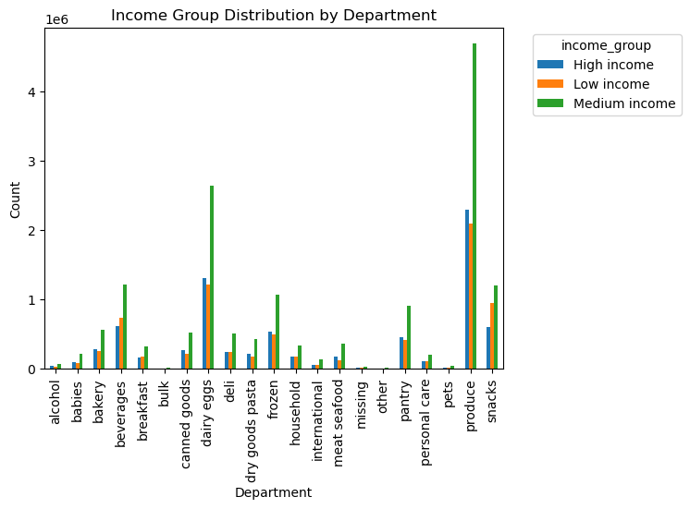
 |  |  |  |  |  |  |  | Title page

Visualisations

In this tab you should include all the visualtions from Exercises 4.9 and 4.10, alongside the questions from the project brief that they answer. Include any commentary on the relationship between different variables.

 | The busiest days of the week and hours of the day are (i.e., the days and times with the most orders)
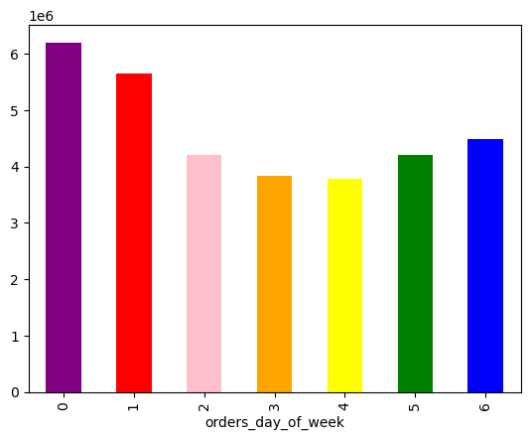

 |  |  | Busiest Days of the Week:
 |  |  | The analysis revealed the following distribution of orders across the days of the week:
 |  |  |  | orders_day_of_week
 |  |  | Saturday | 0 | 6204182
 |  |  | Sunday | 1 | 5660230
 |  |  | Monday | 2 | 4213830
 |  |  | Tuesday | 3 | 3840534
 |  |  | Wednesday | 4 | 3783802
 |  |  | Thursday | 5 | 4205791
 |  |  | Friday | 6 | 4496490
 |  |  | Insights: Based on the data the busiest days are Friday,Saturday and Sunday.

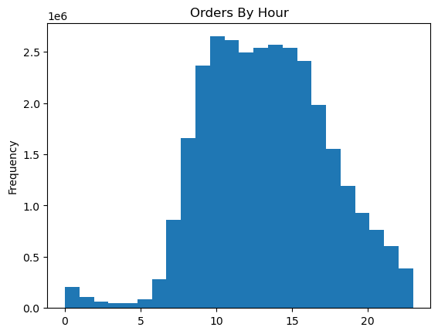

 |  |  | Busiest Hours of the Day:

 |  |  | 10am | 2649744
 |  |  | 11am | 2614880
 |  |  | 12pm | 2495795
 |  |  | 13pm | 2539276
 |  |  | 14pm | 2567903
 |  |  | 15pm | 2535966
 |  |  | Insights: Customers typically exhibit higher spending behavior during the peak hours, which occur between approximately 10 am and 3 pm.

 | Purchasing patterns based on income groups and price ranges

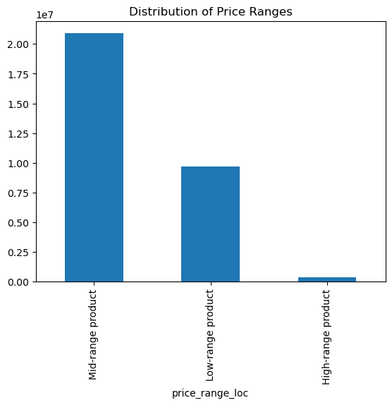
 |  |  | Low-Range Product (Less or equal than $5):9674840
 |  |  | Mid Range Product ($5 - $15): 20891771
 |  |  | High Range Product (Above $15):397953

 |  |  | Insights:Most people buy products in the middle price range, and it's mostly the middle-income individuals and families driving these sales.

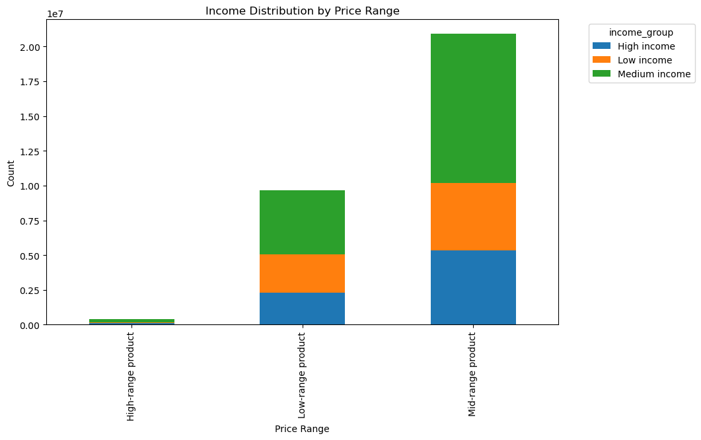

 |  |  |  |  | Insights:High-income customers prefer high-range products, whereas low-income customers predominantly opt for low-range products. Medium-income customers exhibit a balanced preference, indicating diverse buying behaviors across different income brackets.

 | Department Distribution
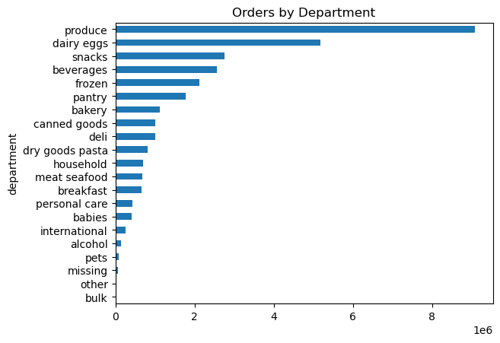

 |  |  |  |  | Insight: Some products stand out as more popular than others, especially in departments like Produce, Dairy & Eggs, Snacks, and Frozen items.

 | Brand Loyalty Distribution
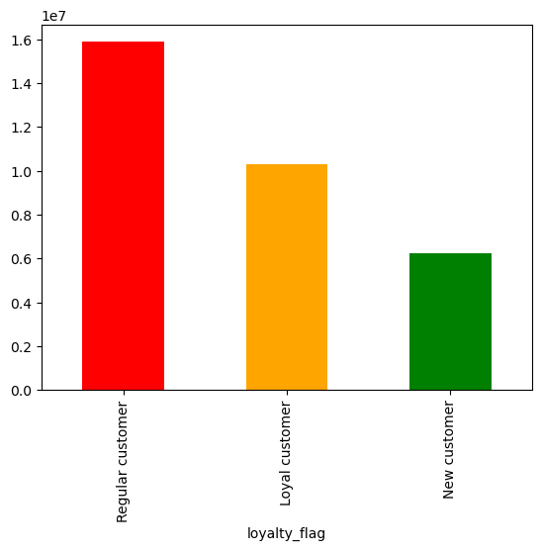

 |  |  |  | loyalty_flag
 |  |  |  | Loyal customer |  | 10284093 | 33%
 |  |  |  | New customer |  | 4803695 | 16%
 |  |  |  | Regular customer |  | 15876776 | 51%
 |  |  |  |  |  | 30964564
 |  |  |  | Insights: The user distribution underscores a prominent pattern in brand loyalty, where a significant 51% comprises regular customers, followed by 33% loyal customers, and new customers constituting the smallest segment.

 | Ordering Frequency

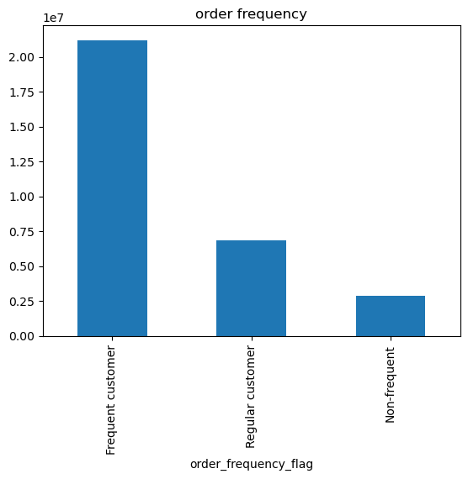

 |  |  |  | Insights: The majority of Instacart customers are frequent customer (21,204,476), highlighting a strong user base. Regular customers (6,865,113) indicate a moderate engagement level, while non-frequent customers (2,894,975) represent growth opportunities, requiring targeted conversion efforts.

2. Is there a connection between age and family status in terms of ordering habits?
3. What different classifications does the demographic information suggest? Age? Income? Certain types of goods? Family status?
4. What differences can you find in ordering habits of different customer profiles? Consider the price of orders, the frequency of orders, the products customers are ordering, and anything else you can think of.

 | Family Status-Based Classifications and Preferences

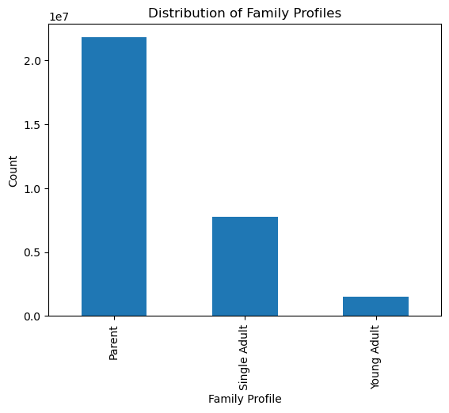
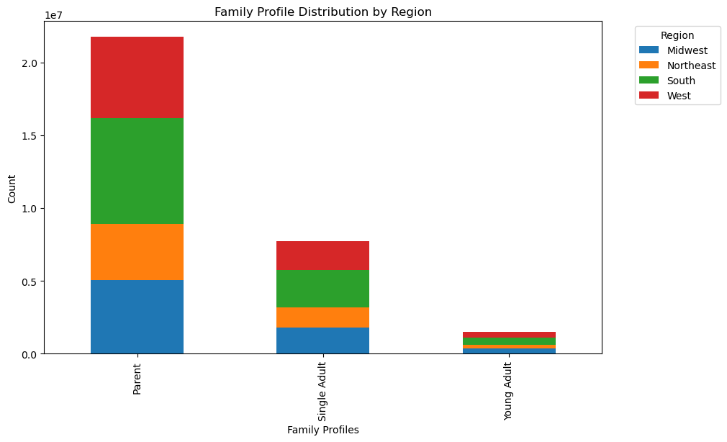

 |  |  |  |  |  |  |  |  | Insight: The table illustrates ordering habits based on family characteristics and regional divisions. In the South, families with parents dominate (7,223,749), while the Midwest has significant numbers of both parents (5,087,262) and single adults (1,822,816). The data emphasizes regional disparities in family demographics, vital for targeted marketing and service customization.

 |  | Ordering habits based on family characteristics and regional divisions.

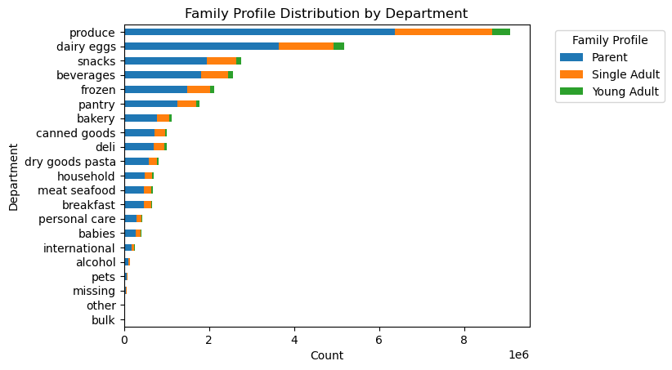

 |  |  |  |  | Insight: The data presents varied preferences among different family types across product categories. For instance, parents heavily favor 'produce' (6,373,293), 'dairy eggs' (3,632,599), and 'snacks' (1,944,658), indicating a focus on fresh items and convenient, snackable foods. Single adults show significant interest in 'beverages' (645,341) and 'frozen' items (529,348). Young adults exhibit diverse preferences, notably leaning towards 'beverages' (119,107) and 'snacks' (131,310), reflecting their versatile choices and lifestyle needs.

 | Age-Based Classifications

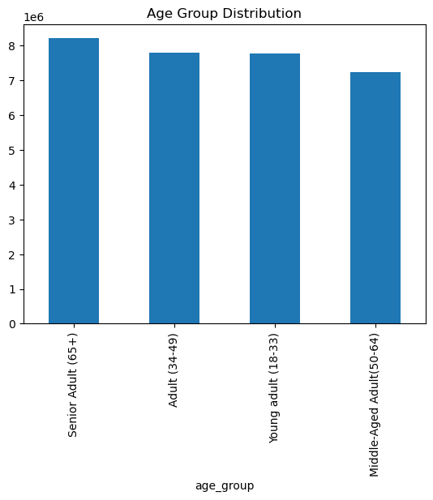
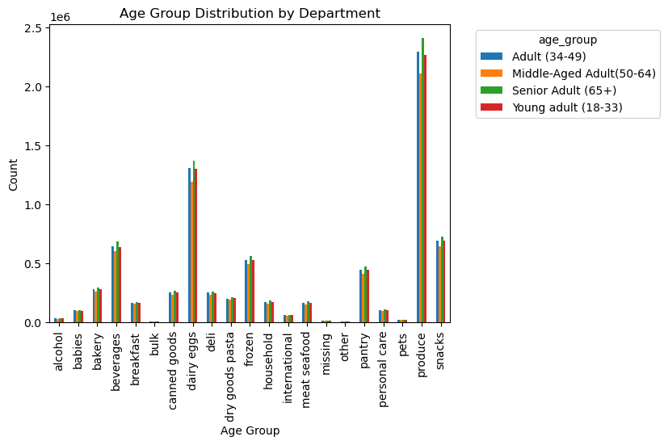
 |  |  |  |  |  |  |  |  |  |  | Insight: Senior adults (65+) tend to favor 'dairy eggs' and 'produce,' indicating a focus on fresh, essential items. Middle-aged adults (34-49) and young adults (18-33) display similar patterns.

 | Income-Based Classifications

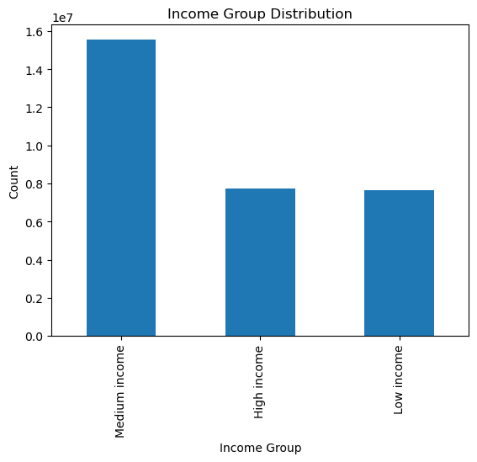
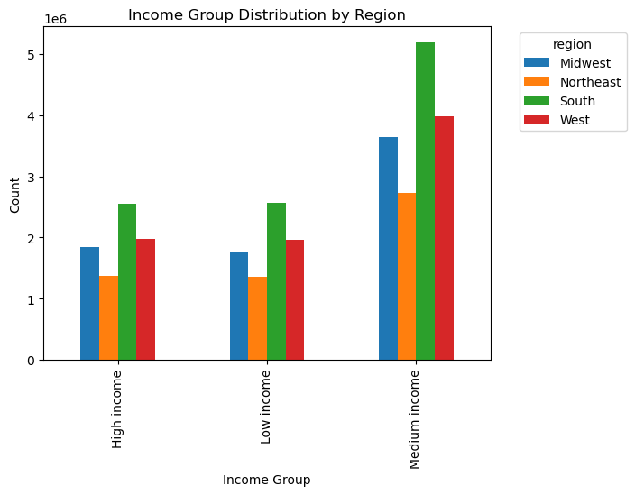

 |  |  |  |  |  |  |  |  |  | Insight:The South and West regions stand out with substantial numbers of medium-income households, 5,190,163 and 3,976,595 respectively.

 |  |  |  |  | Insight: High-income customers tend to spend more on categories like 'dairy eggs' and 'produce,' focusing on quality and fresh products. Low-income customers, on the other hand, show restrained spending in these categories and allocate their budget towards essentials like 'canned goods' and 'snacks.' Medium-income customers exhibit balanced spending across departments, indicating a mix of quality and affordability in their shopping habits. Understanding these preferences is vital for targeted marketing, ensuring product availability aligns with the diverse financial capacities of our customer base.

7. Recommendations

 |  | Title page

Recommendations

In thi tab you should include any recommendations you would made to Instcart in terms of their marketing strategy based on the questions posed in the brief. Every key question has been covered in the Tasks of the Exercises - here you need to add an item - a visualisation or table/crosstable that is showing the answer in the data, acompanied by a comment from you. Please, list the questions below and add the answer underneath.

Key Question 1 | The sales team needs to know what the busiest days of the week and hours of the day are (i.e., the days and times with the most orders) in order to schedule ads at times when there are fewer orders.
Recommendations
Ad Scheduling Strategy: | Avoid Peak Hours: To optimize ad impact, consider scheduling ads during periods of lower order volumes, such as 5pm-5am on Tuesday,Wednsday.
 | Targeted Promotions: Concentrate promotional activities during historically quieter times to increase visibility and customer engagement.
Data Monitoring and Adaptation: | Continuous Monitoring: Regularly monitor order patterns to adapt the ad schedule dynamically based on evolving customer behavior.
 | Seasonal Adjustments: Be aware of potential shifts in order patterns during holidays or special events and adjust ad schedules accordingly.

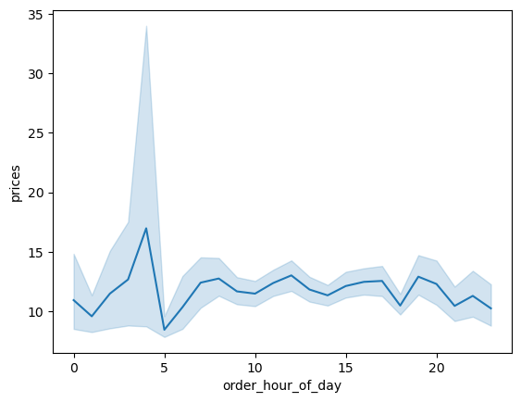
Key Question 2 | Instacart has a lot of products with different price tags. Marketing and sales want to use simpler price range groupings to help direct their efforts.
Implications and Recommendations:
Targeted Marketing Efforts | Tailored Promotions: Customize promotions and discounts based on these price range groupings. For example, offer percentage-based discounts on mid-priced items to attract a broader customer base.
 | Content Creation: Create targeted marketing content highlighting the value, quality, and uniqueness of products within each price range. Tailor advertising messages to align with customer expectations for each category.
Customer Engagement | Personalized Recommendations: Utilize customer purchase history to offer personalized product suggestions within their preferred price range. Implement machine learning algorithms to enhance the accuracy of recommendations.
 | Enhanced Customer Support: Train customer support teams to provide tailored assistance based on the price range, ensuring customers receive appropriate guidance and information.

Key Question 3 | What different classifications does the demographic information suggest? Age? Income? Certain types of goods? Family status?
Implications and Recommendations:
Dynamic Pricing Strategies | Implement dynamic pricing based on income classifications, offering discounts or promotions on essential goods for low-income customers and premium products for high-income segments.
Product Diversification | Diversify our product range to cater to the unique needs of different family statuses, offering family-oriented bundles for parents, convenience-focused products for singles, and trendy items for young adults.
Enhanced Customer Suppor | Train customer support teams to understand and address the concerns of customers from different classifications, ensuring empathetic and personalized assistance.

